State of the art
N/E: No Existe | N/C: No Conocido | N/I: No identificado | N/A: No Aplica |  |  |  |  |  |  | Antenna |  |  | Protocol versions |  |  |  |  |  |  |  |  |  | Sources
 | Components |  |  |  |  |  |  |  |  | Bluetooth | UWB | NFC | Bluetooth |  | UWB |  | NFC
Product | Processor | UWB IC | Flash memory | Accelerometer | Audio amplifier | DC-DC buck converter | Integrated load switch | NFC IC | Battery |  |  |  | Bluetooth version | Find my | UWB version | # of UWB antenna | Peripheral | Type
Airtag | Nordic nRF52832 | Apple U1 | GigaDevice GD25LE32D 32 Mbit | Bosch BMA280 | MAX98357AEWL | TI TPS6274 | ON Semiconductor FPF2487 | N/E | CR2032 | 2.4GHz | 6.5-8GHz | 13.65MHz | BLE 5.2 | BLE broadcasting | BPSK | 1 antenna | NFC-A | MIFARE Plus (Type 4) in Read-Only Mode |  |  |  |  | https://www.techinsights.com/blog/apple-airtag-teardown | https://adamcatley.com/AirTag.html | https://colinoflynn.com/2021/05/apple-airtag-teardown-test-point-mapping/ | https://es.ifixit.com/News/50681/desmontaje-de-airtag-si-esto-rastrea | https://www.refindcommerce.com/blogs/news/understanding-apples-find-my-network-and-how-trackers-operate-within-it
Smart tag 2 | Atomsic's ATM3325-5LCAQK-SR | NXP SR040 | N/C | N/C | N/C | N/C | N/C | N/I | CR2032 | 2.4GHz | 6.0-8.5GHz | 13.65MHz | BLE 5.3 | - | BPSK o HPRF | 1 antenna | N/I | N/I |  |  |  |  | https://technotrend.substack.com/p/samsung-galaxy-smarttag2-teardown | https://www.sammobile.com/news/smartthings-over-20-million-users-korea/ | https://fccid.io/A3LEIT5600/Internal-Photos/Internal-Photos-6686144 | https://www.manual.ec/samsung/smart-tag-2/manual?p=8
Chipolo One | Nordic nRF51822 | N/E |  |  | PAM8904 |  |  |  | CR2032 | 2.4GHz | N/E | N/E | BLE 4.0 | - | N/E | N/E |  |  |  |  |  |  | https://shkspr.mobi/blog/2016/11/inside-a-chipolo-plus/
Tile Slim | Nordic nRF52810 |  |  |  | MAS6240 |  |  |  | LiPo 3.0V, 380 mAh | 2.4GHz | N/E | N/E | BLE 5.2 |  | N/E | N/E |  |  |  |  |  |  | https://www.edn.com/examining-an-environmental-antonym-tiles-slim/#google_vignette
Pebblebee Clip |  |  |  |  |  | MP8904 |  |  | Li-ion | 2.4GHz | N/E | N/E | BLE 5.2 |  | N/E | N/E
Tile Mate | Nordic nRF52810 | N/E |  |  | MAS6240 |  |  | N/E | CR2032 | 2.4 GHz | N/E | N/E | BLE 5.2 |  | N/E | N/E | N/E | N/E |  |  |  |  | https://www.edn.com/teardown-tile-mate-bluetooth-tracker-relies-on-software/ | https://pallavaggarwal.in/2023/04/03/teardown-of-tile-mate-bluetooth-tracker/ | https://www.youtube.com/watch?v=oJi1fj6qtIk
Tile Sticker | Nordic nRF52810 |  |  |  |  |  |  |  |  |  |  |  |  |  |  |  |  |  |  |  |  |  | https://es.ifixit.com/Desmontaje/Tile+Sticker+Teardown/146491

 |  |  |  |  |  |  |  |  |  |  |  |  |  |  |  |  |  |  |  |  |  |  |  |  |  |  |  |  |  |  |  |  |  |  |  |  |  |  |  |  |  |  |  |  |  |  |  |  |  |  |  |  | Hardware |  |  | Software |  |  | Physical

 |  |  |  |  |  |  |  |  |  |  |  |  |  |  |  |  |  |  |  |  |  |  |  |  |  |  |  |  |  |  |  |  |  |  |  |  |  |  |  |  | N/C: No Conocido | N/I: No identificado | N/A: No Aplica |  |  |  |  |  |  | Antenna |  |  | Protocol versions
 | Size |  |  |  | Environment resistance | Speaker | Speakler dB | Ringtone personalization | Battery | Battery life | System Recquierements | Operating temperature |  | UWB position tracking | Maximum distance BLE | Maximum distance UWB | Distance Precision UWB | Angle Precision UWB | Bluetooth | NFC lost mode | Pairing mode | Button | SOS function | Accelerometer wakeup function | Find My Network | Always-at-home scanner | Software name assigning | Share tracker location | Unwanted tracking detection | Power saving mode | Included hole | Special case | Wireless charging | USB port | AR finding | Location history | Left behind | SOS button | Light indicator | Cost | Components |  |  |  |  |  |  |  |  | Bluetooth | UWB | NFC | Bluetooth |  | UWB |  | NFC
Product components | Measurement 1 | Measurement 2 | Measurement 3 | Weight |  |  |  |  |  |  |  | Minimum | Maximum |  |  |  |  |  |  |  |  |  |  |  |  |  |  |  |  |  |  |  |  |  |  |  |  |  |  |  | Processor | UWB IC | Flash memory | Accelerometer | Audio amplifier | DC-DC buck converter | Integrated load switch | NFC IC | Battery |  |  |  | Bluetooth version | Find my | UWB version | # of UWB antenna | Peripheral | Type |  | Sources
Airtag | Diameter: 31.9mm | N/A | Depth: 8.0mm | 11.00 g | IP67 | Built-in speaker | 73 dB | Not included | Replaceable Coin cell | 1 year | Apple Account, iOS 14.5 or higher, iPhone 11 or newer | -20C | 60C | Included | Around 100m (BLE) | Around 10m | Around 10cm | Not disclosed | BLE 5.2 | Included | NFC | Not Included | Not Included | Included | Apple's | Not Included | Included | Included | Included | Not included | Not included | N/A | Not included | Not included | Included | Not Included | Included | Not Included | Not Included | 29 USD | Nordic nRF52832 | Apple U1 | GigaDevice GD25LE32D 32 Mbit | Bosch BMA280 | MAX98357AEWL | TI TPS6274 | ON Semiconductor FPF2487 | N/E | CR2032 | 2.4GHz | 6.5-8GHz | 13.65MHz | BLE 5.2 | BLE broadcasting | BPSK | 1 antenna | NFC-A | MIFARE Plus (Type 4) in Read-Only Mode |  | https://support.apple.com/es-lamr/111847 | https://blog.estimote.com/post/676268055242883072/apple-opens-u1-api-and-supports-our-uwb-beacons
Smart tag 2 | Width: 28.8mm | Height: 52.44mm | Depth: 8.0mm | 13.75 g | IP67 | Built-in speaker | 65 dB | Included | Replaceable Coin cell | 500 days | Galaxy hardware with OS 9 or higher, UWB enabled, SmartThings | -15C | 35C | Included | Up to 120m (BLE) | Around15m | Around 10cm | +- 10 degrees | BLE 5.3 | Included | Bluetooth | Included | Not Included | Not Included | Samsung's | Included | Included | Included | Included | Included | Included | N/A | Not included | Not included | Included | Included | Included | Not Included | Not Included | 29 USD | Atomsic's ATM3325-5LCAQK-SR | NXP SR040 | N/C | N/C | N/C | N/C | N/C | N/I | CR2032 | 2.4GHz | 6.0-8.5GHz | 13.65MHz | BLE 5.3 | - | BPSK o HPRF | 1 antenna | N/I | N/I |  | https://samsungmobileclub.com/samsung-smart-tag-2-full-specification-in-depth/ | https://www.manual.ec/samsung/smart-tag-2/manual | https://me.pcmag.com/en/mobile-phone-accessories/19693/samsung-galaxy-smarttag-2
Chipolo One | Diameter: 31.9mm | N/A | Depth: 6.4mm | 8.00 g | IPX5 | Built-in speaker | 120 dB | Not included | Replaceable Coin cell | 2 years | iOS 14 or higher, ios 9 or higher | -15C | 60C | Not Included | Up to 60m | N/A | N/A | N/A | BLE 4.0 | N/A | Bluetooth | Included | Not Included | Not included | Not Included | Not included | Included | Included | Not Included | Not included | Included | N/A | Not included | Not included | Not Included | Not Included | Included | Not Included | Not Included | 25 USD | Nordic nRF51822 | N/E |  |  | PAM8904 |  |  |  | CR2032 | 2.4GHz | N/E | N/E | BLE 4.0 | - | N/E | N/E |  |  |  | https://chipolo.net/en/products/chipolo-one?utm_source=rakuten&utm_medium=affiliate&utm_campaign=Linkbux&ranMID=48087&ranEAID=wizKxmN8no4&ranSiteID=wizKxmN8no4-.mdQhS9odLAKrbC.o85XmQ | https://support.chipolo.net/hc/en-us/articles/115005747705-Manual-de-instrucciones-Chipolo-ONE-Español | https://www.androidauthority.com/chipolo-one-review-1658424/
Tile Slim | Width: 85.4mm | Height: 53.9mm | Depth: 2.5mm | 13.88 g | IP68 | Buzzer | 104 dB | Not included | Non replaceable LiPo | 3 years | Life360, iOS, Android | -10C | 60C | Not Included | Up to 105 m | N/A | N/A | N/A | BLE 5.2 | N/A | Bluetooth | Included | Included | Not included | Tile's | Not included | Included | Subscription | Not Included | Not Included | Not included | Card shape | Not included | Not included | Not Included | Subscription | Included | Included | Not Included | 30 USD | Nordic nRF52810 |  |  |  | MAS6240 |  |  |  | LiPo 3.0V, 380 mAh | 2.4GHz | N/E | N/E | BLE 5.2 |  | N/E | N/E |  |  |  | https://www.pcmag.com/reviews/tile-slim-2024 | https://braindebuglog-com.translate.goog/posts/smartcaddisassembly/?_x_tr_sl=es&_x_tr_tl=ja&_x_tr_hl=es-419&_x_tr_pto=wapp
Pebblebee Clip | Width: 45mm | Height: 38mm | Depth: 8.5mm | 8g | IPX6 | Buzzer | 100 dB | Included | Rechargeable Li-ion | 1 year per charge | Pebblebee app, iOS, Android | -15C | 43C | Not Included | Around 100m (BLE) | N/A | N/A | N/A | BLE 4.0> | N/A | Bluetooth | Included | Not Included | Not included | Google's, Apple's | Not included | Included | Included | Not Included | Not Included | Included | N/A | Not included | USB-C | Not Included | Not Included | Included | Not Included | Included | 35 USD |  |  |  |  |  | MP8904 |  |  | Li-ion | 2.4GHz | N/E | N/E | BLE 5.2 |  | N/E | N/E |  |  |  | https://help.pebblebee.com/article/apvv6mlfxb-clip-gen2-specs | https://pebblebee.com/products/pebblebee-clip-universal
Tile Mate | Width: 37.6mm | Height: 37.6mm | Depth: 7.4mm | 8g | IP68 | Built-in speaker | 100 dB | Not included | Non replaceable LiPo | 3 years | Life360, iOS, Android | -10C | 60C | Not Included | Up to 105 m | N/A | N/A | N/A | BLE 5.2 | N/A | Bluetooth | Included | Included | Not included | Tile's | Not included | Included | Subscription | Not Included | Not Included | Included | N/A | Not included | Not included | Not Included | Subscription | Included | Included | Not Included | 28 USD | Nordic nRF52810 | N/E |  |  | MAS6240 |  |  | N/E | CR2032 | 2.4 GHz | N/E | N/E | BLE 5.2 |  | N/E | N/E | N/E | N/E |  | https://www.tile.com/product/mate-pink-punch
Tile Sticker | Width: 28.2mm | Height: 28.2mm | Depth: 7.4mm | 6g | IP67 | Buzzer | 100 dB | Not included | Non replaceable LiPo | 3 years | Life360, iOS, Android | -10C | 60C | Not Included | Up to 75m | N/A | N/A | N/A | BLE 5.2 | N/A | Bluetooth | Included | Included | Not included | Tile's | Not included | Included | Subscription | Not Included | Not Included | Not included | Adhesive | Not included | Not included | Not Included | Subscription | Included | Included | Not Included | 25 USD |  |  |  |  |  |  |  |  |  |  |  |  |  |  |  |  |  |  |  | https://www.tile.com/product/black-sticker
Sinis emissor | Width: 85.4mm | Height: 53.9mm | Depth: 2.5mm | 8g | IP67 | Built-in speaker | 120 dB | Included | Rechargeable Li-ion | 3 years | iOS 14 or higher, ios 9 or higher | -10C | 60C | Included | Up to 120m (BLE) | Around15m | Around 10cm | +- 10 degrees | BLE 5.4 | Included | NFC | Included | Included | Included | Google's, Apple's | Kind of | Included | Included | Included | Included | Not included | Card shape / Adhesive | Included | USB-C | Not Included | Included | Included | Included | Included | 15 USD | Nordic nRF52833 | DW3320 | N/C | Bosch BMA400 | PAM8904 | nPM1100 | Maybe? | N/E | LiPo 3.0V, 380 mAh | 2.4 GHz | 6.0-8.5GHz | 13.65MHz | BLE 5.4 | - | BPSK | 2 antenna | NFC-A
Sinis receiver | Width: 37.6mm | Height: 37.6mm | Depth: 7.4mm | 13.88 g | IP67 | Built-in speaker | 120 dB | Included | Rechargeable Li-ion | 3 years | iOS 14 or higher, ios 9 or higher | -10C | 60C | Included | Up to 120m (BLE) | Around15m | Around 10cm | +- 10 degrees | BLE 5.4 | Included | NFC | Included | Included | Included | Google's, Apple's | Kind of | Included | Included | Included | Included | Incuded | N/A or Adhesive | Included | USB-C | Not Included | Included | Included | Included | Included | 15 USD | Nordic nRF52833 | DW3320 | N/C | Bosch BMA400 | PAM8904 | nPM1100 | Maybe? | N/E | LiPo 3.0V, 380 mAh | 2.4 GHz | 6.0-8.5GHz | 13.65MHz | BLE 5.4 | - | BPSK | 1 antenna | NFC-A | MIFARE Plus (Type 4) in Read-Only Mode

Estándar | Year introduced
IEEE 802.15.4z | 2020
FCC RF Exposure Information |  |  |  |  |  |  |  |  |  |  |  |  |  |  |  |  |  |  |  |  |  |  |  |  |  |  |  |  |  |  |  |  |  |  |  | 0

 |  |  |  |  | Series1
Hardware | Sound | Buzzers | IEC 60268-2 | Electro mechanical transducers standards | 18
Hardware | Sound | Speakers | IEC 60268-5 | Loudspeakers standards | 18
Hardware | Battery | Coin cells | IEC 60086 | Performance and testing | 18
Hardware | Battery | LiPo & Li-Ion | IEC 62133 | Performance and safety requirements | 18
Hardware | Battery | LiPo & Li-Ion | UL 2054 | Performance and safety testing | 18
Hardware | Battery | Wireless Power Transfer | WPC Qi Standard | Wireless charging metrics and safety | 18
Hardware | Communications | UWB | IEEE 802.15.4z | Enhanced UWB Positioning | 18
Hardware | Communications | UWB | ISO/IEC 18305 | Position system metrics / tests | 18
Hardware | Communications | BLE | ISO/IEC 24730-2 | RTLS | 18
Hardware | Communications | BLE | IEEE 802.15.1 | BLE standard | 18
Hardware | Communications | BLE | Bluetooth SIG | Updated BLE Standards | 18
Hardware | Communications | BLE | - | Unwanted tracking detection | 18
Hardware | Communications | NFC | ISO/IEC 14443 | Proximity Cards | 18
Hardware | Communications | NFC | ISO/IEC 18092 | Interface and Protocol | 18
Hardware | Communications | NFC | - | Lost mode | 18
Hardware | Movement | Accelerometer | - | Movement wake-up | 18
Hardware | USB | US Type-C | USB Type-C Specifications | Power and data transfer | 18
Software | UI | Human-Computer interaction | ISO9241 | Ergonomics | 18
Software | Shared assets | Shared tracking |  |  | 18
Software | Battery consumption | Battery saver |  |  | 18
Software | Mesh network tracking | Find my networks | - | Apple's Find my, SmartThings, Google's Find My | 18
Software | Visual tracking | Augmented Reality tracking |  |  | 18
- Category
- Component
- Technology
- Standards
- Detail
Software | Multifunctional purpose | Programmable button | - | Programmable function, SOS, device locating | 18
Software | Location data | Location history |  |  | 18
Mechanical | Ingress Protection | IP ratings | IEC 60529 | Degree of protection | 18
Mechanical | Case design | Physical dimensions and tolerances | ISO 1101 | Geometrical Product Specifications | 18
Mechanical | Case design | Portability | - | Keyring design | 18
Mechanical | Case design | Practicality | - | Card shape / Adhesive | 18
Mechanical | Environmental conditions | Temperature ranges | IEC 60721-3 | Indoor/Outdoor capabilities | 18
Mechanical | Device detection | Visual indicators | IEC 60073 | Human Machine Interfacing | 18

Tracking
system

Processors
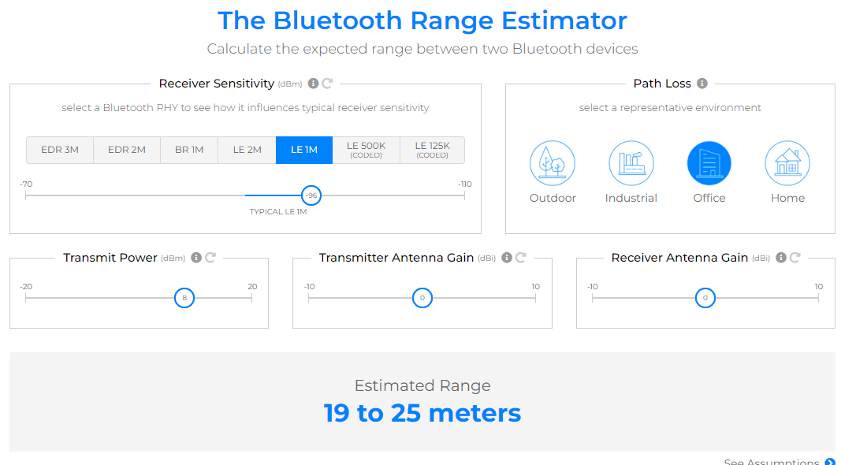
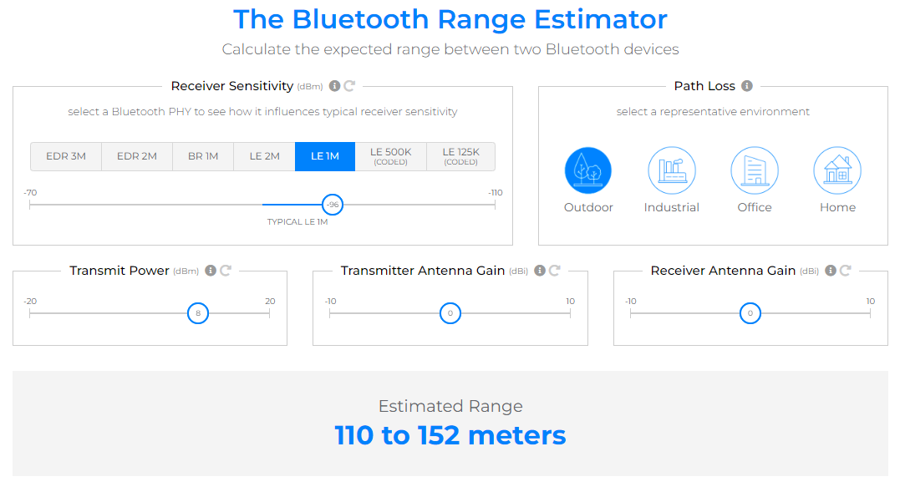
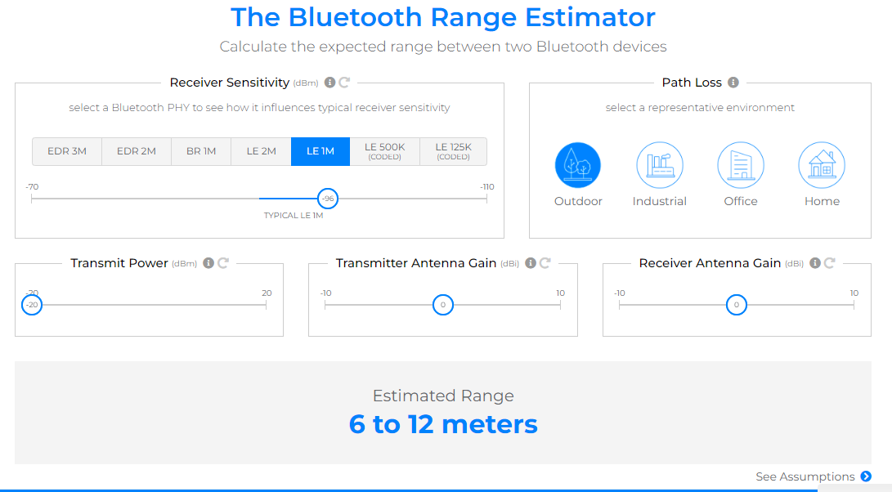
Brand | Processor | Bluetooth | Transmit mode (Tx) | Receive mode (Rx) | Output power range (dBm) | Sensitivity (dBm) | Clock rate (MHz) | Flash Memory (kB) | RAM Memory (kB) | Operating Voltage (V) | Native NFC | Cost |  | IDE
Minimum |  | 5.0 | 5 mA / 15mA | 5mA / 7mA | -20dBm / 4dBm | -95dBm / -100dBm | 16MHz | 256kB | 64kB |  | No | Low
Recommended |  | 5.1 | 5 mA / 15mA | 5mA / 7mA | -20dBm / 4dBm | -95dBm / -100dBm | 64MHz | 512kB | 128kB |  | Yes | Lower
Nordic Semiconductor | nRF52833 | 5.4 | 4.9mA | 4.6mA | -20dBm / 8dBm | -96dBm | 64MHz | 512kB | 128kB | 1.7V - 3.6V | Yes | $ 3.59 | $ 2.35 | Microsoft Visual Studio Code |  | Interesting
 | nRF52820 | 5.3 | 6mA | 4.7mA | -20dBm / 8dBm | -95dBm | 64MHz | 256kB | 32kB | 1.7V - 3.6V | No | $ 2.64 | $ 1.70
Renesas | DA14535MOD | 5.3 | 2.6 mA, 3.6mA | 2.6mA, 2.7mA | -18, -3, 3 | -92.5dBm | 16MHz | 128, 1000 | 64kB | 1.8V - 3.3V | No | $ 6.22
 | RX23W | 5.0 | 4.3mA | 3mA | 4 | -95dBm | 54MHz | 384, 512 | 64kB | 2.7V - 3.6V | No | $ 4.83 | $ 2.95 | e² studio IDE
Texas Instruments | CC2674R10 | 5.0 | 6.4mA | 7.3mA | 10dBm | -105dBm | 48MHz | 1024kB | 256kB | 1.8V - 3.8V | Yes | $ 8.23 | $ 4.42
 | CC2642R | 5.2 | 7.0mA | 6.9mA | 5dBm | -105dBm | 48MHz | 352kB | 80kB | 1.8V - 3.8V | No | $ 2.66 | $ 1.61
STMicroelectronics | STM32WB55 | 5.4 | 5.2mA | 4.5mA | -20dBm / 8dBm | -100dBm | 64MHz | 1024KB | 256Kb | 1.71V - 3.6V | No | $ 3.66 | $ 2.43
Silicon Labs | EFR32BG27 | 5.4 | 4.1mA | 3.6mA | 8dBm | -106.9dBm | 76.8MHz | 768kB | 64kB | 1.8V - 3.8V | No | $ 4.15 | $ 2.16 | Silicon Labs Simplicity Studio IDE |  | Interesting
Infineon | CYW20822 | 5 | 3mA | 1.3mA | 4dBm | -101dBm | 16MHz | 1024kB | 128kB | 1.71V - 3.6V | No | $ 4.25 | $ 3.99 |  |  | Interesting
Onsemi | RSL10 | 5.2 | 8.9mA | 5.6mA | -17dBm / 6dBm | -94dBm | 48MHz | 384KbB | 76kB | 1.1V - 3.6V | No | $ 3.90 | $ 3.36
Telink | TLSR9218BER | 5.2 | 6.6mA | 6.1mA | -24dBm / 10dBm | -95.5dBm | 16MHz | 2048kB | 256kB | 1.8V - 3.3V | No | $ 6.55 | $ 3.29 |  | Apple Homekit
 | TLSR9218AER | 5.3 | 6.6mA | 6.1mA | -24dBm / 10dBm | -95.5dBm | 16MHz | 1024kB | 256kB | 1.8V - 3.3V | No | $ 5.61 | $ 2.82 | IDE for TLSR9 series chips | Apple Homekit | Mas relajao

 | nRF52833 | 5.1 | 4.9mA | 4.6mA | -20dBm / 8dBm | -96dBm | 64MHz | 512kB | 128kB | 1.7V - 3.6V | Yes | $ 3.59 | $ 2.35

 |  |  |  |  | 8dB

